Dashboard2
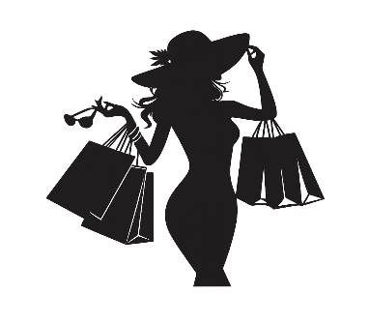

FASHION HOUSE

Elegance Meets Lifestyle

Product
SALES
Sales.Rep
Total Quantity
Sales Rep : Farida Ibrahim generated $825,280,095 in sales from Freeport stores.
 | Total
Bag Pack | $52.2M
Brogues | $85.0M
Calf Boots Men | $378.5M
Canvas Shoes | $46.4M
Court Shoes | $97.9M
Flip Flops | $67.6M
Foot Ball Boots Men | $50.7M
Foot Ball Boots Women | $96.7M
Gladiator sandals | $30.2M
Heels | $97.3M
Leader Hand Bag Black | $123.9M
Leader Hand Bag White | $144.7M
Loafers | $53.2M
Military Boots Women | $138.2M
Mules | $55.0M
Shoe Bag | $80.2M
Trainers Men | $70.7M
Trainers Women | $54.8M
Wellington Boots | $38.4M
Top Selling Product: Calf Boots Men holds $378,471,500 in sales.
 | Total
January | $344.8M
February | $172.4M
March | $195.2M
April | $97.6M
May | $11.2M
June | $29.6M
July | $12.6M
August | $3.2M
September | $12.2M
October | $48.8M
November | $195.2M
December | $638.9M
Top Selling Month: December holds $638,869,120 in sales.
$62.8K
Farida Ibrahim | $825.3M | $165.1M
Felex Ada | $301.6M | $688.7M
Peter Pan | $345.9M | $644.5M
Winner Sanda | $288.7M | $701.6M

Total Sales

$1761.5M

Total Cost Of Goods

$1622.2M

Profit
Product Category
Store
Customer
$139.3M
Top Selling Product Category : Women Bag holds $753,508,595 in sales.
 | Total
Freeport | $825.3M
Garden City | $301.6M
Harrison | $288.7M
Holbrook | $345.9M
Top Selling Stores : Freeport holds $825,280,095 in sales.
 | Total
Krysten L Barrey | $41.5M
Lovella K Sherran | $41.5M
Maryam T Mearx | $28.9M
Thomas V Mesrrve | $220.4M
Thresa A Carrballo | $41.5M
Top Customer : Thomas V Mesrrve who spent $220,439,500 on products.
 | Total
Female Bag | $406.2M
Male Bags | $52.3M
Men Shoes | $549.5M
Women Bag | $753.5M

Net Sales

$1759.0M

Average Order Value

$653.4K

